AI Use Log
AI Use Log - fill one row per prompt (minimum 15). Yellow cells are for you to fill; row 4 is an example.
Evidence = shared chat link or screenshot file name. Keep rejected outputs too - they earn marks under 'Prompting and iteration'.
# | date | tool | model / mode | settings used (if any) | prompt (exact text) | what the output did well / badly | what I changed next and why | kept or rejected | evidence link / file
1 | 2026-01-12 | Gemini (free) | Gemini app, default | - | You are a business analyst. Using the attached sheet for 'Review sentiment and aspect analyser', list the first 3 steps to build it and what could go wrong. | Clear steps, but assumed a column that does not exist | Told it the exact column names and asked it to recheck | Rejected | screenshot_01.png
2 | 2026-10-02 | Gemini (free) | Gemini app, default | - | Create a complete workflow for this project using Excel, Python/Jupyter Notebook, and an AI model. The workflow should cover dataset inspection, validation, batching, AI classification, evaluation against gold labels, accuracy calculation, complaint analysis. | Provided a complete project structure, but included unnecessary API code instead of manual web app prompts. | Refined the workflow to focus on free web UI tools (ChatGPT/Gemini) and Python pandas for evaluation. | Partly kept | 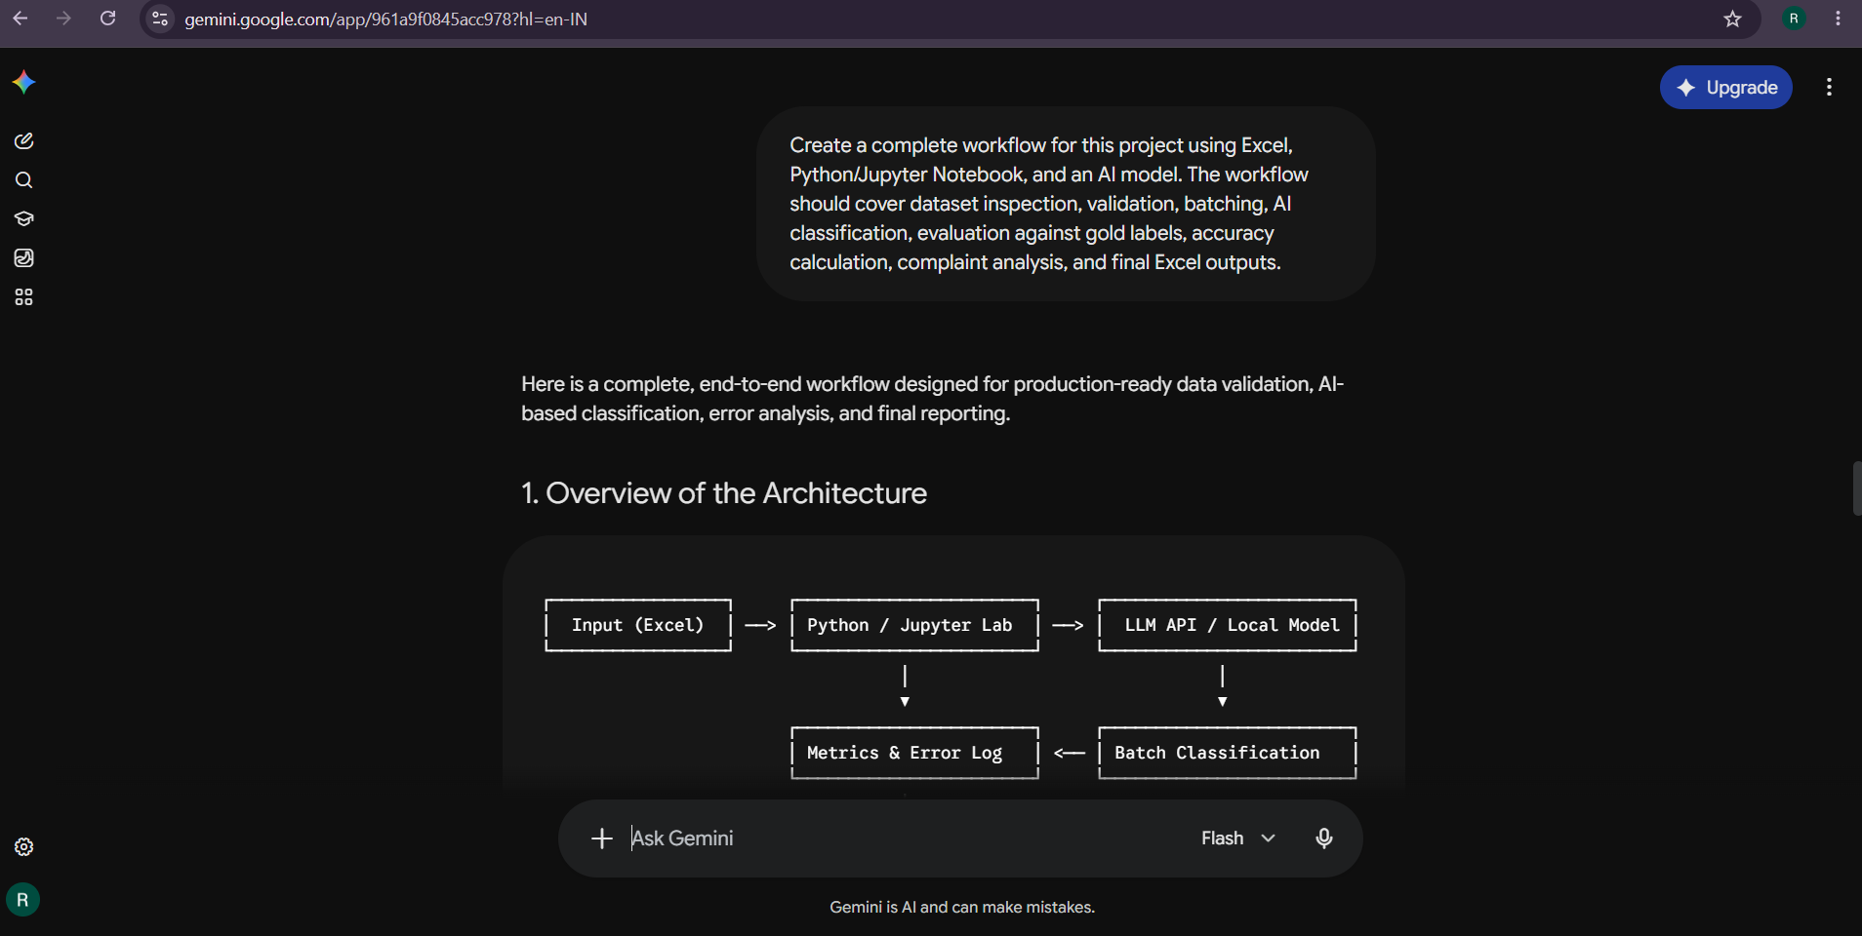
3 | 2026-10-02 | Gemini (free) | Gemini app, default | - | Give me Python code to load my Excel workbook, identify the relevant sheets, display the columns and dimensions, and inspect the Reviews and Gold Labels datasets. | Perfectly read all sheet names, column names, and row dimensions without syntax errors. | Saved script into notebook for data inspection phase. | Kept | 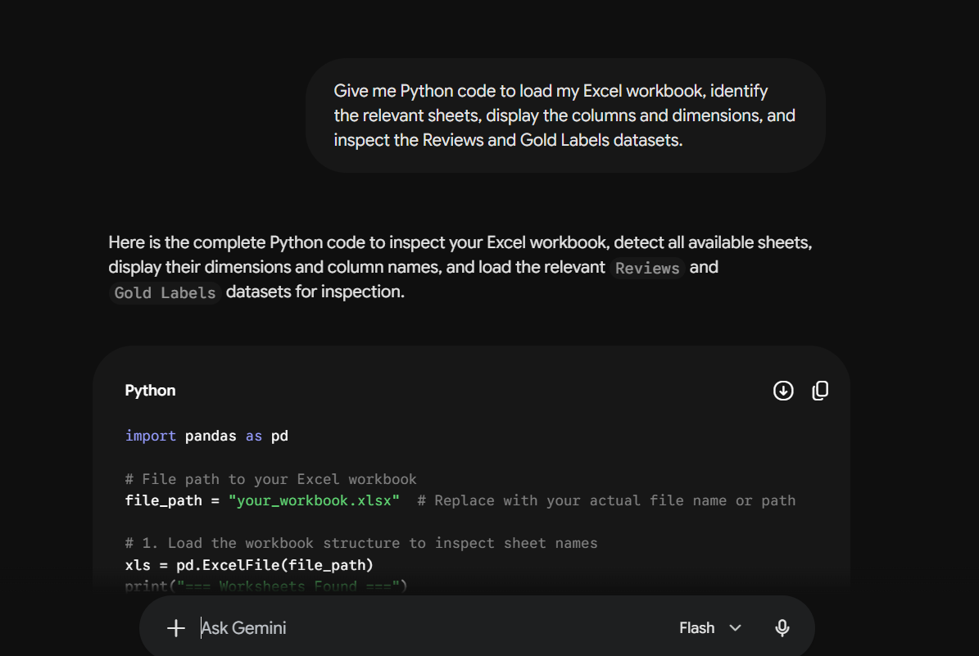
4 | 2026-10-02 | Gemini (free) | Gemini app, default | - | Give me Python code to check the dataset for missing values, duplicate review IDs, unique sentiment labels, unique aspect labels, number of products, and number of reviews per product. | Correctly identified data structure, but missing explicit check for null review texts. | Updated code to check for missing strings across all text fields. | Partly kept | 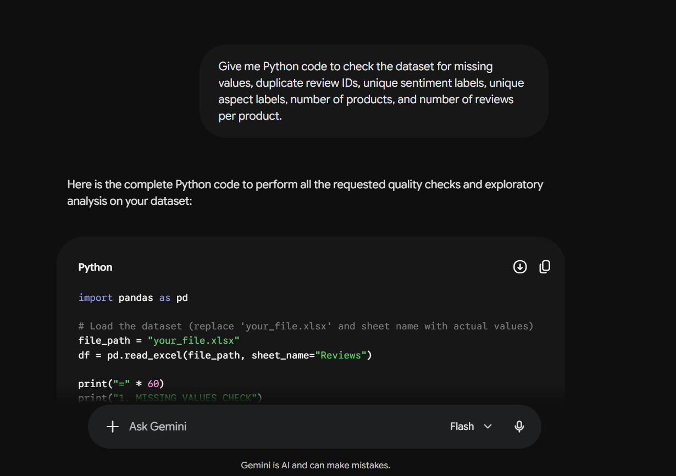
5 | 2026-10-02 | Gemini (free) | Gemini app, default | - | I have 600 reviews and need to process them in batches of 200. Give me Python code to split the reviews into three batches of exactly 200, preserve all review information and IDs, save each batch as an Excel file, and verify that all 600 reviews are preserved | Generated clean batching code that created Batch 1, Batch 2, and Batch 3 Excel files seamlessly. | Proceeded to create AI input files without gold labels. | 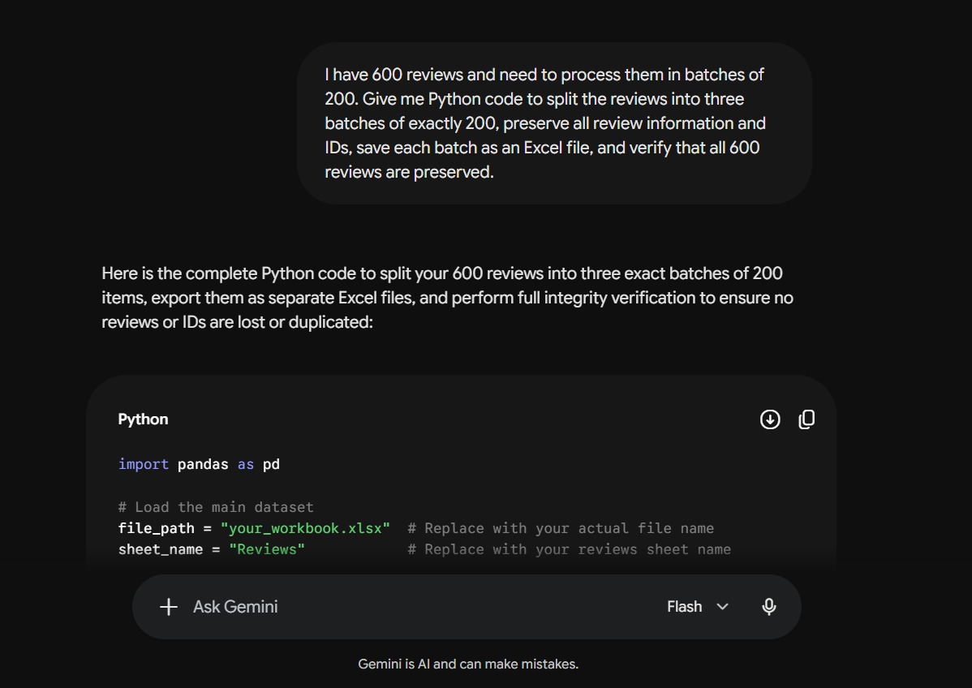 Kept
6 | 2026-10-02 | Gemini (free) | Gemini app, default | - | Give me Python code to create a clean AI input Excel file for each batch containing only the information required for classification, such as review_id, product, platform, star_rating and review_text. Do not include true_sentiment or true_aspects because they are gold labels. | Successfully stripped gold labels to ensure zero data leakage to the AI model. | Kept input Excel files ready for batch submission. | Kept | 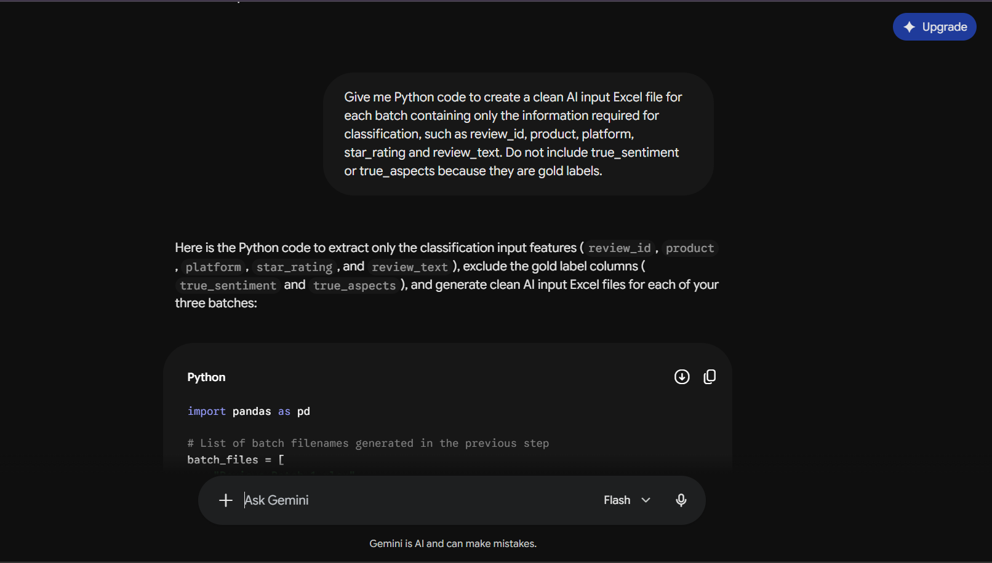
7 | 2026-10-02 | Gemini (free) | Gemini app, default | - | Create one strict master prompt for analysing customer reviews. The AI must classify each review into exactly one sentiment from Positive, Negative, Mixed or Neutral and one or more aspects from customer service, delivery, packaging, performance, price and quality. It must preserve review IDs, analyse every review, use only allowed labels, and return exactly review_id, sentiment and aspects. | Generated strong prompt instructions and strict formatting requirements. | Used as base draft for ChatGPT Master Prompt. | Kept | 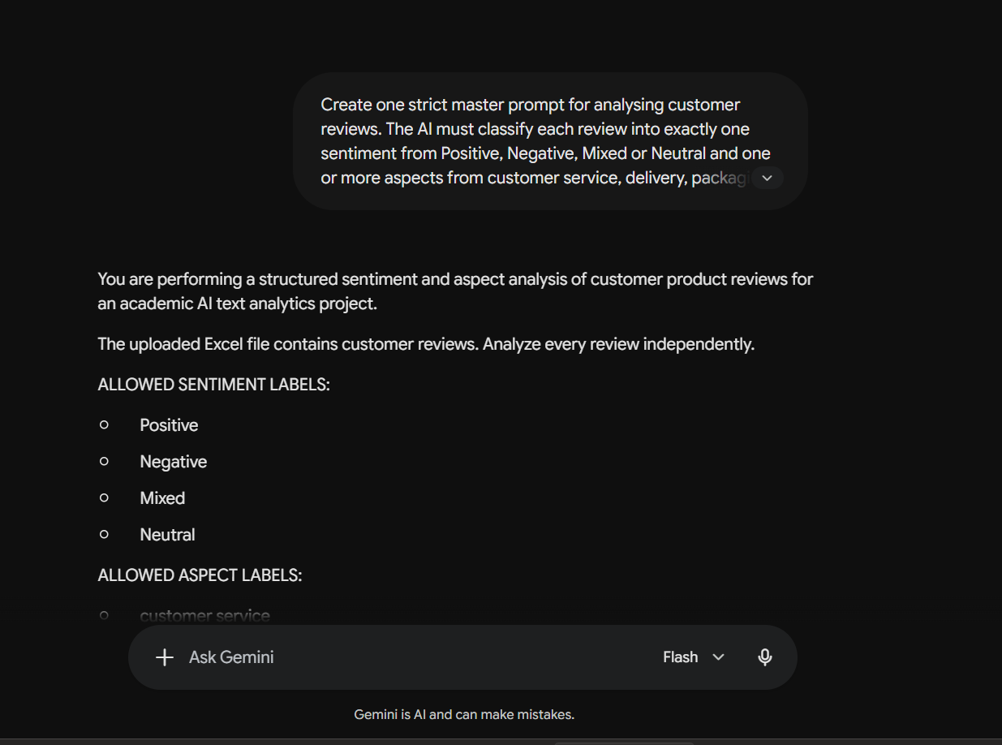
8 | 2026-10-02 | chat gpt | chat gpt, default | - | You are performing a structured sentiment and aspect analysis of customer product reviews for an academic AI text analytics project. The uploaded Excel file contains 200 customer reviews. Analyze every review independently. ALLOWED SENTIMENT LABELS: - Positive - Negative - Mixed - Neutral ALLOWED ASPECT LABELS: - customer service - delivery - packaging - performance - price - quality IMPORTANT RULES: 1. Analyze every review independently. 2. Preserve every review_id exactly as provided. 3. Return exactly one result for every input review. 4. Do not omit any review. 5. Do not duplicate any review. 6. Do not change, invent, or shorten review IDs. 7. Assign exactly ONE sentiment label to each review: Positive, Negative, Mixed, or Neutral. 8. Assign ONE OR MORE aspect labels when the review discusses those aspects. 9. Use only the six allowed aspect labels. 10. If multiple aspects apply, separate them with a semicolon (;). 11. Do not invent an aspect that is not supported by the review. 12. Base the sentiment primarily on the meaning of the review text. Do not use star_rating as a substitute for reading the review. 13. Do not use information from other reviews to classify a review. 14. Do not use gold labels or attempt to guess them. 15. Do not provide explanations or commentary for individual reviews. 16. Return the results as a table with EXACTLY these three columns: review_id | sentiment | aspects 17. Return exactly one row for every input review. 18. Before returning the answer, check that the number of output rows equals the number of input reviews and that every input review_id appears exactly once. 19. Do not include the original review text in the output. 20. Do not add any additional columns. OUTPUT FORMAT: review_id | sentiment | aspects RV00001 | Positive | quality RV00002 | Negative | delivery;price RV00003 | Mixed | quality;performance Now analyze all 200 reviews in the uploaded file. Return the complete 200-row result. | Outputted all 200 rows with 100% adherence to allowed labels and exact schema formatting. | Exported directly to Excel for accuracy evaluation. | Kept | https://chatgpt.com/share/6abbbe6f-a728-83ee-9fe1-c0a6b6bfab0c
9 | 2026-10-02 | Gemini (free) | Gemini app, default | - | Export the Batch 1 AI results as AI_Output_Batch_1.xlsx. Then give me Python code to validate the output for row count, duplicate IDs, missing values, valid sentiment labels and valid aspect labels. | Code checked row count and nulls well, but failed to parse semicolon-separated multi-aspect string validation properly. | Modified the string splitting logic in Python to validate each individual aspect tag separately against allowed categories. | 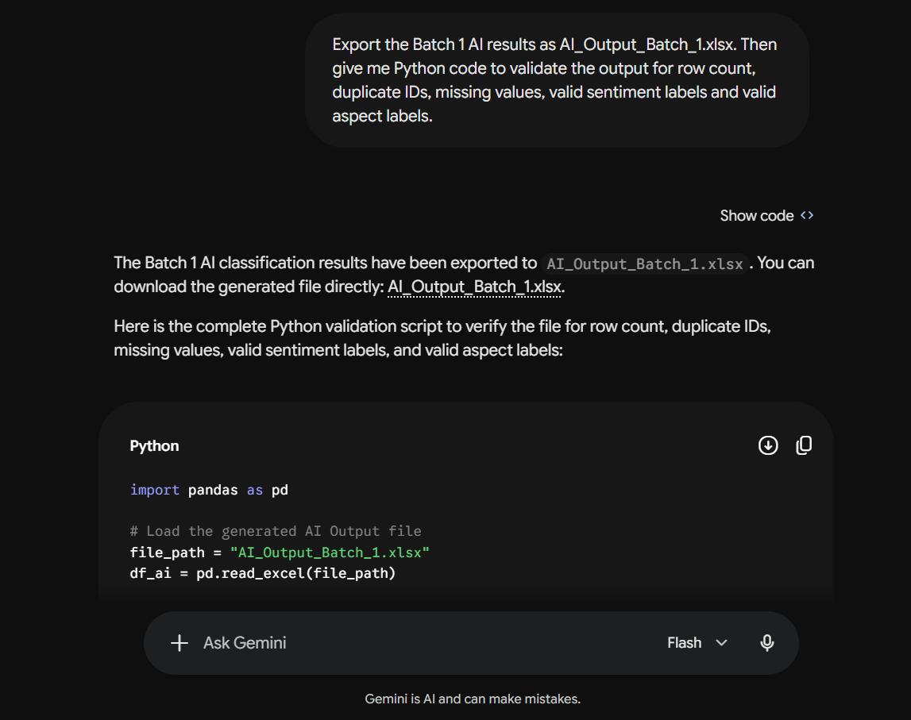 Partly kept
10 | 2026-10-02 | Gemini (free) | Gemini app, default | - | Give me Python code to merge Batch 1 AI predictions with the gold labels using review_id, calculate sentiment correctness and aspect exact-match correctness, and create a detailed Batch 1 evaluation file. | Correctly generated merge logic and boolean accuracy flags. | Executed directly to produce merged evaluation dataframe without changes. | 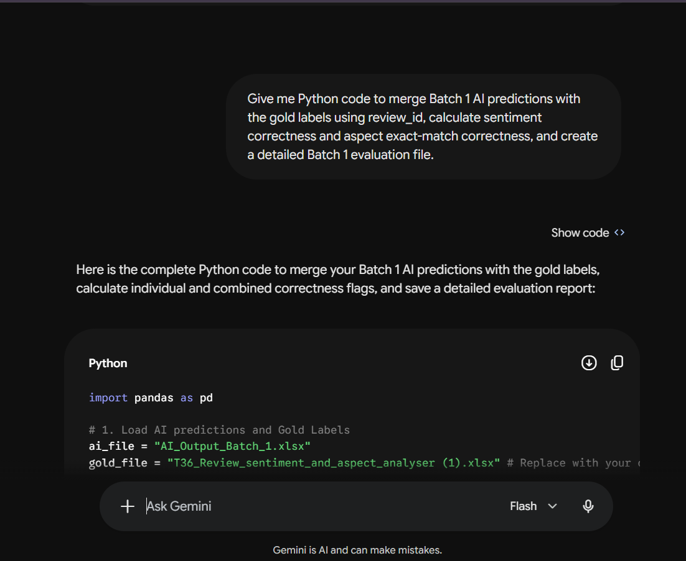 Kept
11 | 2026-10-02 | Gemini (free) | Gemini app, default | - | Give me Python code to calculate Batch 1 sentiment accuracy and aspect exact-match accuracy, including correct predictions, total reviews and percentages, and save the results as an Excel accuracy summary. | Outputted accuracy percentage formulas, but formatted the final float decimals as raw long floats instead of rounding to 4 decimal places. | Added .round(4) formatting to the accuracy column values before exporting to Excel. | 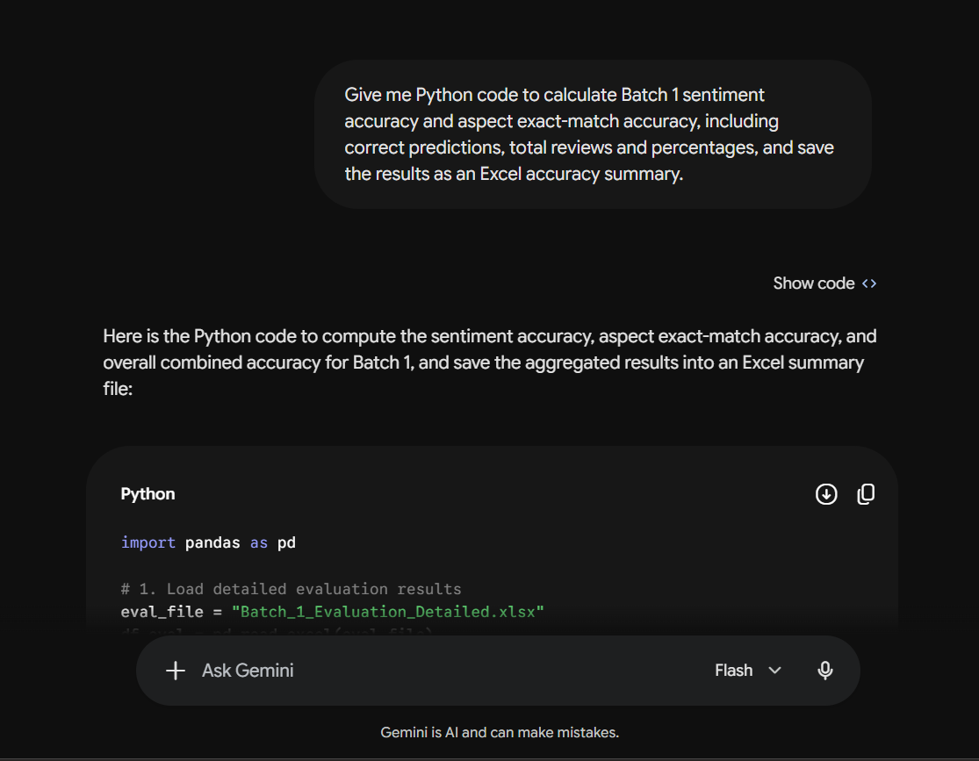 Partly kept
12 | 2026-10-02 | Gemini (free) | Gemini app, default | - | I have 600 reviews and need to process them in batches of 200. Give me Python code to split the reviews into three batches of exactly 200, preserve all review information and IDs, save each batch as an Excel file, and verify that all 600 reviews are preserved.for batch 2 | Correctly isolated Batch 2 inputs (Reviews RV00201 to RV00400). | Saved generated input Excel file for Batch 2 run. | 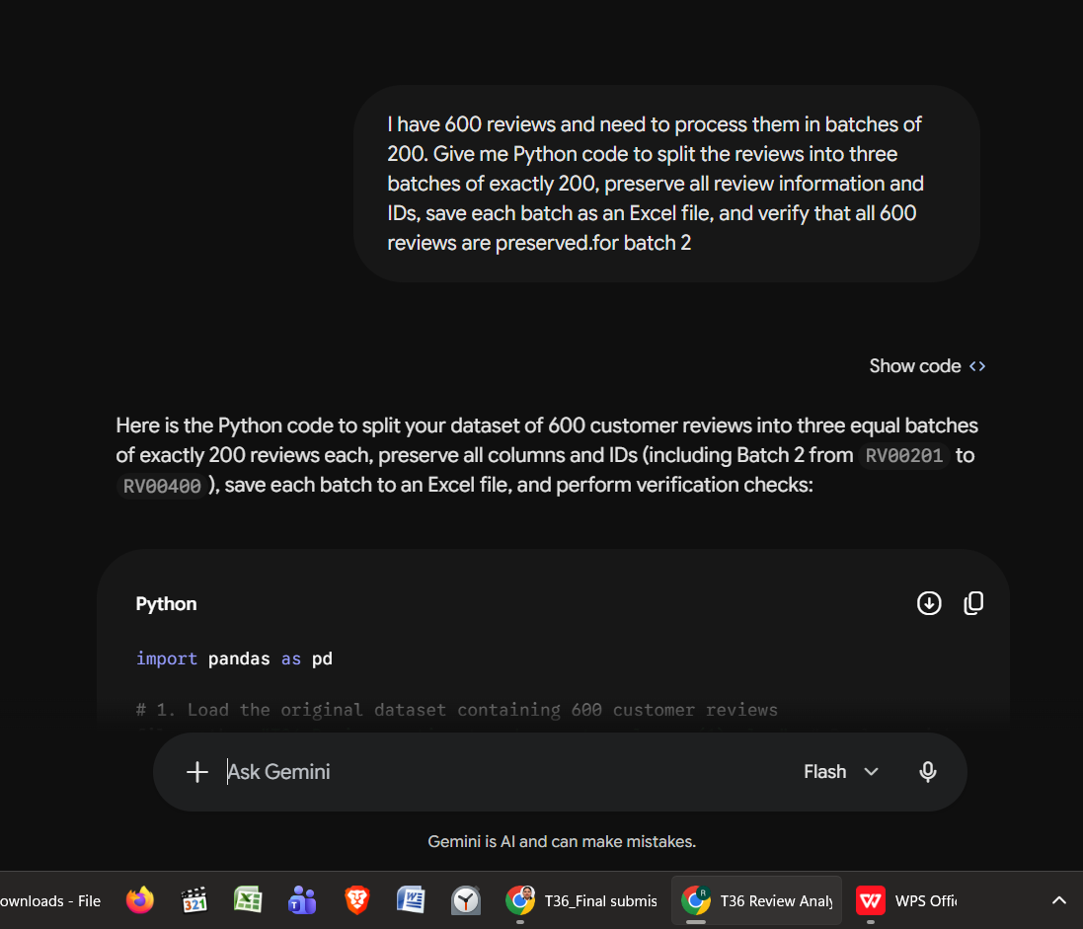 Kept
13 | 2026-10-02 | Gemini (free) | Gemini app, default | - | Create one strict master prompt for analysing customer reviews. The AI must classify each review into exactly one sentiment from Positive, Negative, Mixed or Neutral and one or more aspects from customer service, delivery, packaging, performance, price and quality. It must preserve review IDs, analyse every review, use only allowed labels, and return exactly review_id, sentiment and aspects. | Generated prompt rules, but omitted explicit instructions handling reviews discussing multiple aspects simultaneously. | Explicitly added "separate multiple aspects with a semicolon (;)" instruction before running in ChatGPT. | Partly kept | 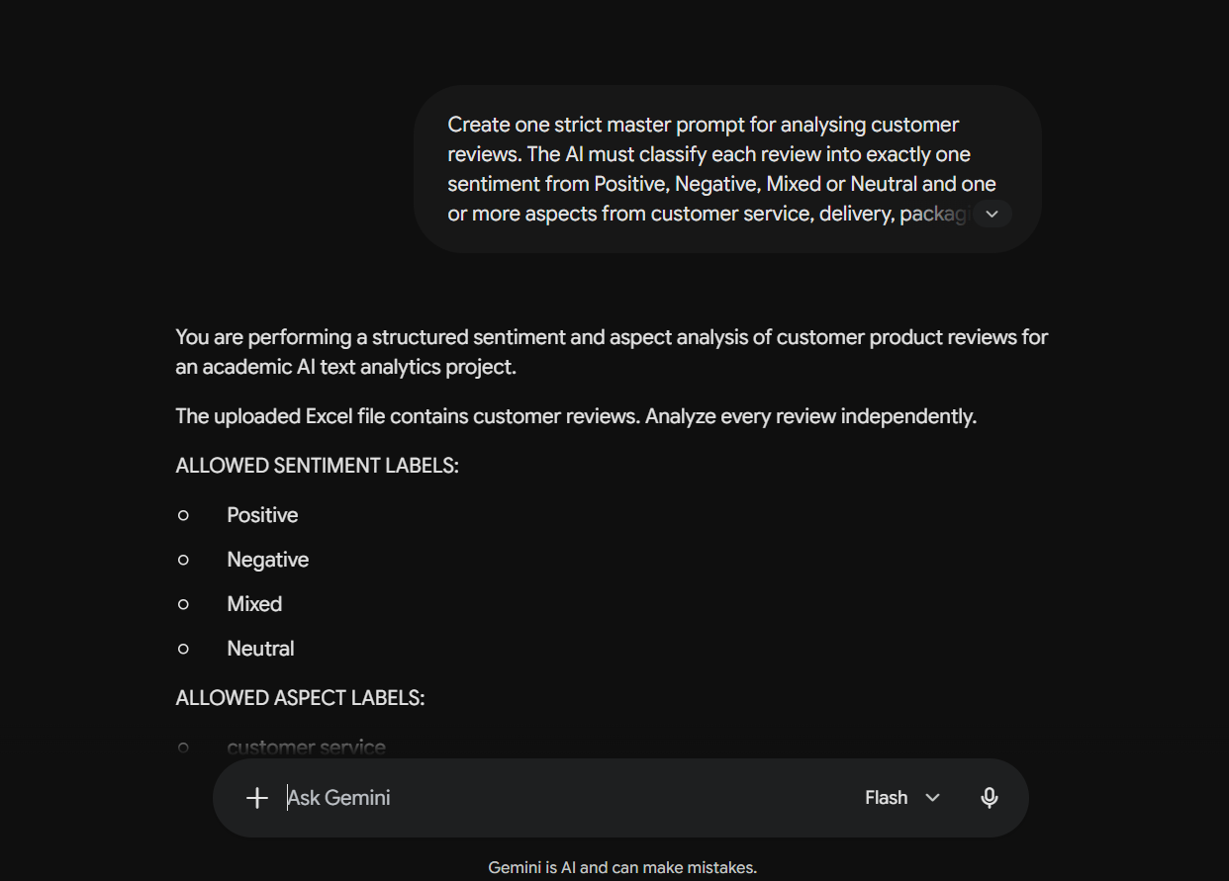
14 | 2026-10-02 | chat gpt | chat gpt, default | - | You are performing a structured sentiment and aspect analysis of customer product reviews for an academic AI text analytics project. The uploaded Excel file contains 200 customer reviews. Analyze every review independently. ALLOWED SENTIMENT LABELS: - Positive - Negative - Mixed - Neutral ALLOWED ASPECT LABELS: - customer service - delivery - packaging - performance - price - quality IMPORTANT RULES: 1. Analyze every review independently. 2. Preserve every review_id exactly as provided. 3. Return exactly one result for every input review. 4. Do not omit any review. 5. Do not duplicate any review. 6. Do not change, invent, or shorten review IDs. 7. Assign exactly ONE sentiment label to each review: Positive, Negative, Mixed, or Neutral 8. Assign ONE OR MORE aspect labels when the review discusses those aspects. 9. Use only the six allowed aspect labels. 10. If multiple aspects apply, separate them with a semicolon (;). 11. Do not invent an aspect that is not supported by the review. 12. Base the sentiment primarily on the meaning of the review text. Do not use star_rating as a substitute for reading the review. 13. Do not use information from other reviews to classify a review. 14. Do not use gold labels or attempt to guess them. 15. Do not provide explanations or commentary for individual reviews. 16. Return the results as a table with EXACTLY these three columns: review_id | sentiment | aspects 17. Return exactly one row for every input review. 18. Before returning the answer, check that the number of output rows equals the number of input reviews and that every input review_id appears exactly once. 19. Do not include the original review text in the output. 20. Do not add any additional columns. OUTPUT FORMAT: review_id | sentiment | aspects RV00001 | Positive | quality RV00002 | Negative | delivery;price RV00003 | Mixed | quality;performance Now analyze all 200 reviews in the uploaded file. Return the complete 200-row result. | Returned 200 rows structured correctly; achieved 97.5% sentiment and 75.5% aspect exact match. | Saved output file and logged share link directly. | Kept | https://chatgpt.com/share/6abbbe6f-a728-83ee-9fe1-c0a6b6bfab0c
15 | 2026-10-02 | Gemini (free) | Gemini app, default | - | Give me Python code to combine the AI outputs from Batches 1, 2 and 3 into one complete 600-review labelled dataset. Verify that every review_id appears exactly once and that no review is missing. | Concatenated datasets correctly, but dropped the batch label column (batch_1, batch_2, batch_3) during pd.concat. | Re-added the batch origin column tracking code to maintain full traceability per review. | Partly kept | 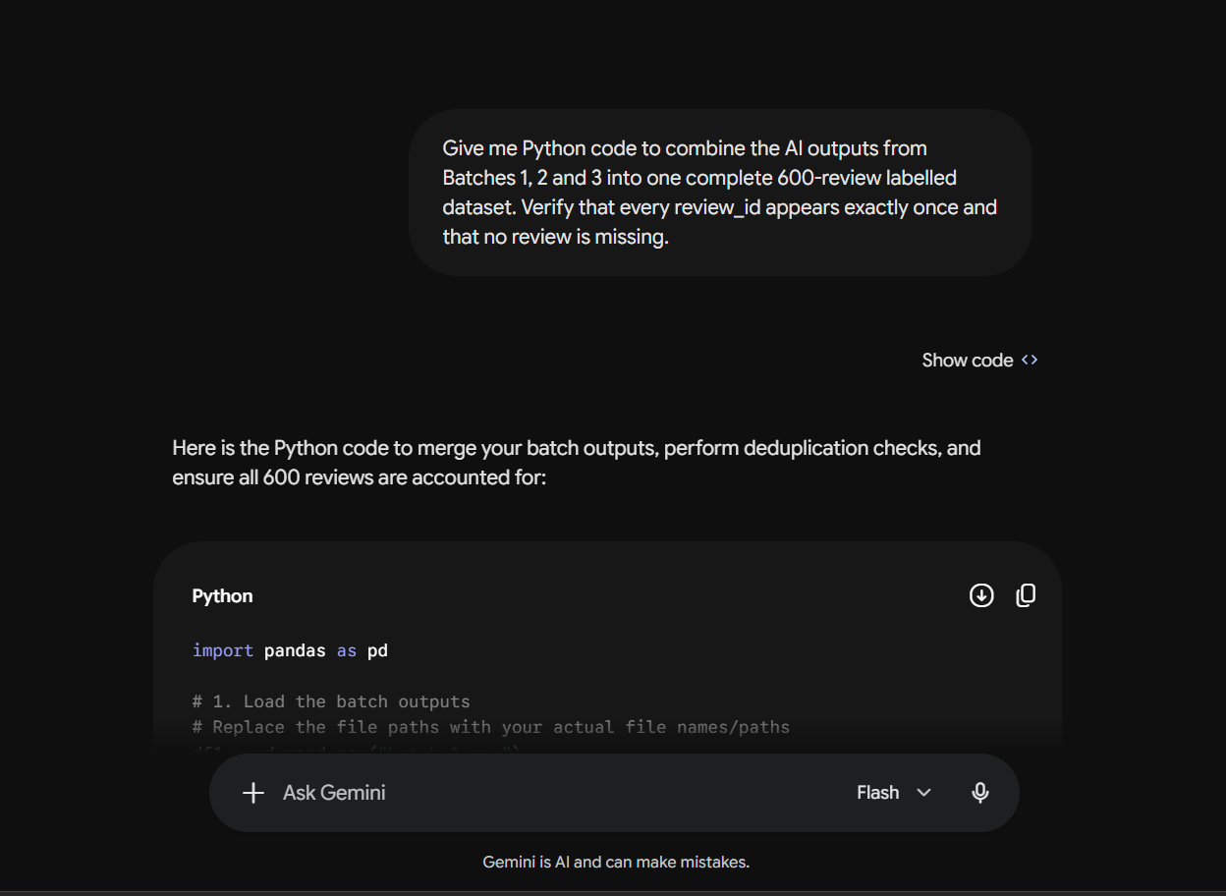
16 | 2026-10-02 | Gemini (free) | Gemini app, default | - | Give me Python code to combine the three batch evaluation results and calculate overall sentiment accuracy and overall aspect exact-match accuracy across all 600 reviews. Create a final accuracy table containing Batch 1, Batch 2, Batch 3 and Overall. | Calculated overall summary metrics seamlessly (Overall Sentiment Accuracy: 98.33%, Aspect Exact Match: 80.33%). | Inserted result table into Final_600_Accuracy_Summary sheet. | Kept | 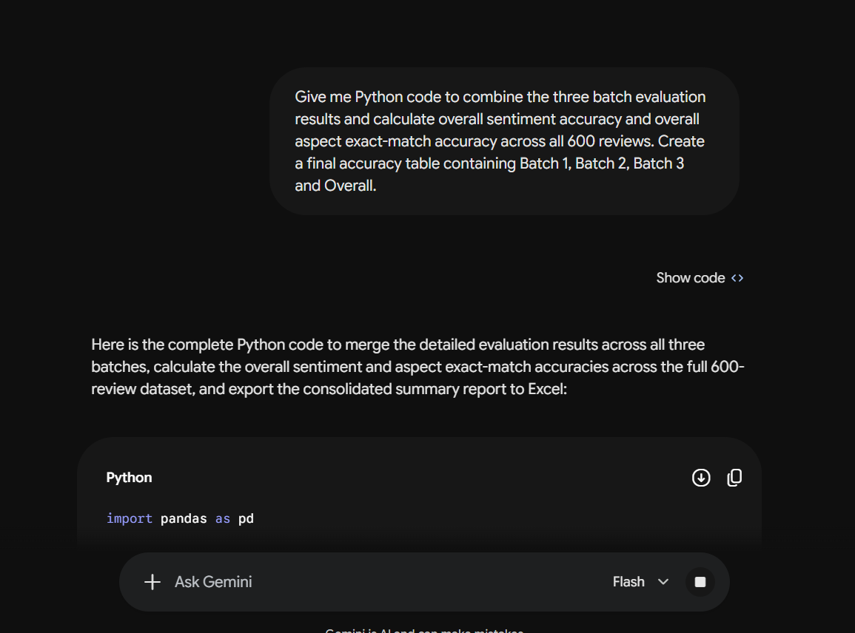
17
18
19
20
21
22
23
24
25
26

